Assessment Details
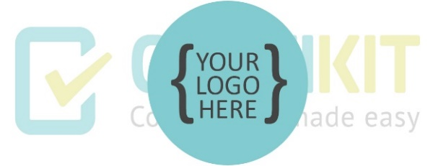

Assessment Details

Security Classification | Confidential - Digital Horizons Bank ISMS
Risk Assessment Title | Digital Horizons Bank Asset-Based Information Security Risk Assessment and Treatment
Risk Assessment Scope | In-scope Digital Horizons Bank locations, digital banking services, information assets, technology, people and third parties
Context of Risk Assessment | Saudi financial-sector environment; 500,000+ customers; 2,500 employees; 25 branches; primary Riyadh DC and Jeddah DR; documented incidents and current control gaps
Risk Acceptance Criteria | Risks scoring 1-4 Low may be accepted by the risk owner; 5-11 Medium requires treatment or documented acceptance; 12-25 High requires treatment and executive oversight. Any regulatory or PII breach risk is not accepted without explicit executive and compliance approval.
Version | 1.0
Dated | [Date the assessment was carried out]
Risk Assessors | [Name and title of person(s) carrying out the risk assessment]
Risk Assessment Participants | [Names and titles of people contributing to the risk assessment]
Approval | [Name and title of approver]
Date Approved | [Date the assessment was approved]

Dashboard
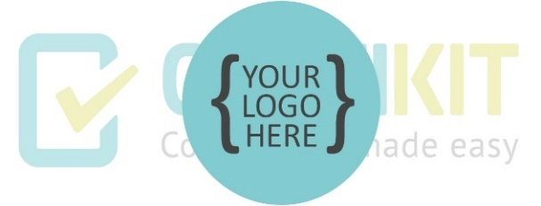

ISO/IEC 27001 Asset-based risk assessment and treatment tool dashboard
To refresh chart data on the risk dashboard, click on “Refresh All” on the Data ribbon.

Pre-treatment assessment

Post-treatment assessment

Number of post-treatment risks None
 | Total
Low | 0
Medium | 0
High | 0
Number of risks by risk level pre and post treatment None
 | Pre-treatment | Post-treatment
Low | 0 | 0
Medium | 0 | 0
High | 0 | 0

Classification of risk level |  |  |  |  |  |  |  | Risk profile diagram

The chart below shows the rating scheme used to determine risk level based on a combination of likelihood and impact. |  |  |  |  |  |  |  | The charts below show the spread of risk severities before and after risk treatment.
LIKELIHOOD: What are the chances of the risk event happening?
 | IMPACT: How major could the consequences be if the risk event happened? |  |  |  |  |  |  | Pre-treatment |  |  |  |  |  |  | Post-treatment
 |  | INSIGNIFICANT 1 | MINOR 2 | SIGNIFICANT 3 | MAJOR 4 | SEVERE 5 | Risk Likelihood | 5 |  |  |  |  |  | Risk Likelihood | 5
 | ALMOST CERTAIN 5 | MEDIUM 5 | MEDIUM 10 | HIGH 15 | HIGH 20 | HIGH 25 |  | 4 |  |  |  |  |  |  | 4
 | LIKELY 4 | LOW 4 | MEDIUM 8 | HIGH 12 | HIGH 16 | HIGH 20 |  | 3 |  |  |  |  |  |  | 3
 | MODERATE 3 | LOW 3 | MEDIUM 6 | MEDIUM 9 | HIGH 12 | HIGH 15 |  | 2 |  |  |  |  |  |  | 2
 | UNLIKELY 2 | LOW 2 | LOW 4 | MEDIUM 6 | MEDIUM 8 | MEDIUM 10 |  | 1 |  |  |  |  |  |  | 1
 | RARE 1 | LOW 1 | LOW 2 | LOW 3 | LOW 4 | MEDIUM 5 |  |  | 1 | 2 | 3 | 4 | 5 |  |  | 1 | 2 | 3 | 4 | 5
 |  |  |  |  |  |  |  | Risk impact |  |  |  |  |  |  | Risk impact

Treatment plan

